Defect Report 1
Title | An account is created with an existing email

Description / Overview | A user creates an account with an existing email

Reproduction Steps | 1- Open the application page https://demo.opencart.com/
 | 2- Write an email that is already logged in the page
 | 3- Click the "Enviar" button

Expected Behavior | A message is displayed saying that the account is already registered on the page

Actual Behavior | An account is created with the email already registered on the page
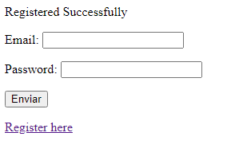
Incidence / Severity / Probability of reproduction | The database is not working. Since it does not verify if the mail is created or not
 | 100% reproduction rate

Story and Acceptance Criteria affected | Affected User Story: US-18

Browsers tested | Google Chrome, v107

Environment | QA environment, http://127.0.0.1:5000/registerationForm

Notes | Defect (Critical)

